Dala Sales & Deliveries
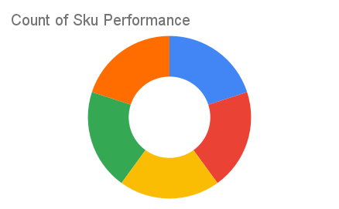
Total Invoices Delivered | 8.00 | Sku Performance | Units | Value
Unique Locations Supplied | 8.00 | 350ml Orisirisi Wallnut Drink (12x) | 0.50 | 10,800.00
Total Value of orders | 219,600.00 | 350ml Orisirisi Wallnut with Ginger Drink (12x) | 1.00 | 21,600.00
 |  | 500ml Orisirisi Tiger Nut Drink (12x) | 2.00 | 55,200.00
 |  | 500ml Orisirisi Zobo Drink (12x) | 4.00 | 96,000.00
 |  | 500ml Orisirisi Zobo with Date Drink (12x) | 1.50 | 36,000.00
 |  |  | 0.00 | 0.00
 |  |  | 0.00 | 0.00
 |  |  | 0.00 | 0.00
 |  |  | 0.00 | 0.00
 |  |  | 0.00 | 0.00
 |  |  | 0.00 | 0.00
 |  |  | 0.00 | 0.00

